FI Pareto chart
Part Name | Defects | Quantity | Cum | %

HA Base Plate | Damage | 27 | 27 | 22.31
YE.3 Base Plate | Blank Cut | 18 | 45 | 37.19 | Inprocess Partwise Pareto Diagram
Body Top Bridge | Damage | 18 | 63 | 52.07
Upper Inner Brkt | Tool mark | 17 | 80 | 66.12
BA Base plate | Blank Cut | 16 | 96 | 79.34
Plate arm R28 | Blank Cut | 13 | 109 | 90.08
Trigger | Hole ablong | 12 | 121 | 100.00
 |  | 121

Part Name | Defects | Quantity | Cum | %
IB flr mng bkt | Blank cut | 46 | 46 | 34.3
Trigger | More Chamfer | 29 | 75 | 56.0
YE.3 Base plate | Blank cut | 24 | 99 | 73.9
Hook | Blank cut | 21 | 120 | 89.6
Housing X1 | Over lap | 14 | 134 | 100.0 | Inprocess Defectwise Pareto Diagram
 |  | 134

 | Final Inspection Partwise Pareto Diagram

 |  |  |  | Final Inspection Defectwise Pareto Diagram

CAPA
PART NAME | DEFECT | QUANTITY | ROOT CAUSE | ACTION PLAN | RESPONSIBLE | TARGET DATE | BEFORE | AFTER
FRT FLR MNG BKT IB | BLANK CUT | 46 | In balnking stage only one referance stopper.( stopper height also less around 10mm) | Provide 3 locating stopper and increase the stooper height 10mm to 50mm | Sunil/madivalappa/Mohan/ Kote | Next lot | 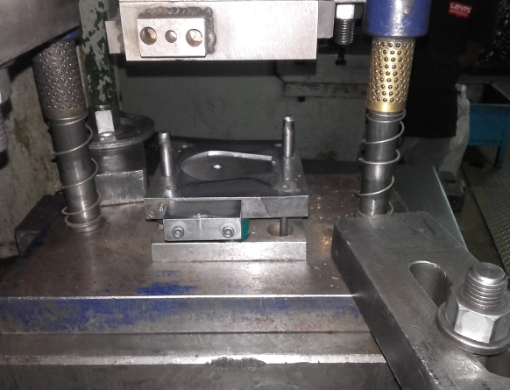
TRIGGER | HOLE OFF SET | 29 | In Piercing stage component was more play which leads to hole offset & wrong drill bit used | Arrest the play by stopper adjustment & right drill bit used. | Madivalappa/Channappa | Next lot
YE-3 BASE PLATE | Cut blank | 24 | In blanking stage stopper wornout which causes component more play. | New stopper intoduced to control the movement of the component. | Madivalappa. | 28.12.2015
HOOK | Blank cut | 21 | In blanking stage sheet feeding was diffculty | Blanking stand provied at blank stage to aviod the miss blank | Koteshwaran | 11.01.2016
HOUSING X1 | Over lap | 14 | In Dimpling process setting part mixup | Bin system follow (yellow & red bin system follow up) | Channappa/Koteshwaran | 30.12.2015
YE.3 BASE PLATE | Blank Cut | 18 | In blanking stage stopper wornout which causes component more play. | New stopper intoduced to control the movement of the component. | Madivalappa. | 28.12.2015
BA BASE BASE | Blank Cut | 16 | In blanking stage only one referance stopper.( stopper height also less around 10mm) | Provide 3 locating stopper and increase the stooper height 10mm to 50mm | Sunil/madivalappa/Mohan/ Kote | Next lot |  | 